Лист1
Category | Label | Value
Bug ID | ID number | #1 | Task: Find bugs and create Bug Reports with different severities and priorities
 | Project | Factorial calculation
 | Reporter | Nelia M
 | Submit Date | 2022-05-17
Bug overview | Summary | When you write a number greater than 170 in the field for entering a number, you don't get the result as a number.
 | URL | http://qainterview.pythonanywhere.com
Bug details | Preconditions | Calculator page open
 | Steps to reproduce | 1. In the field for entering a number, enter the number 171; 2.Сlick the calculate button
 | Expected result | Factorial of 171
 | Actual result | Infinity
 | Description
Bug tracking | Severity | Critical
 | Priority | High
Category | Label | Value
Bug ID | ID number | #2
 | Project | Factorial calculation
 | Reporter | Nelia M
 | Submit Date | 2022-05-17
Bug overview | Summary | The tab name is misspelled
 | URL | http://qainterview.pythonanywhere.com/
Bug details | Preconditions
 | Steps to reproduce | 1. Open the site 2. Check the tab
 | Expected result | Factorial
 | Actual result | Factoriall
 | Description
Bug tracking | Severity | Trivial
 | Priority | Low
Category | Label | Value
Bug ID | ID number | #3
 | Project | Factorial calculation
 | Reporter | Nelia M
 | Submit Date | 2022-05-17
Bug overview | Summary | When you click on the link Terms and Conditions on the calculator page, we see that something went wrong
 | URL | http://qainterview.pythonanywhere.com/privacy
Bug details | Preconditions | Calculator page open
 | Steps to reproduce | Click the link Terms and Conditions
 | Expected result | Page with Terms and Conditions
 | Actual result | Something went wrong. Error code: 502-backend
 | Description
 | Attachments | 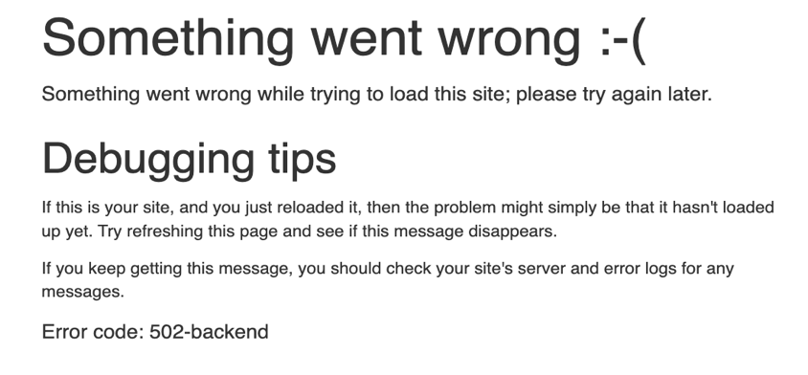
Bug tracking | Severity | Major
 | Priority | Medium
Category | Label | Value
Bug ID | ID number | #4
 | Project | Factorial calculation
 | Reporter | Nelia M
 | Submit Date | 2022-05-17
Bug overview | Summary | When you click on the link Privacy on the calculator page, we see that something went wrong
 | URL | http://qainterview.pythonanywhere.com/privacy
Bug details | Preconditions | Calculator page open
 | Steps to reproduce | Click the link Privacy
 | Expected result | Page with Privacy
 | Actual result | Something went wrong. Error code: 504 -loadbalancer
 | Description
 | Attachments | 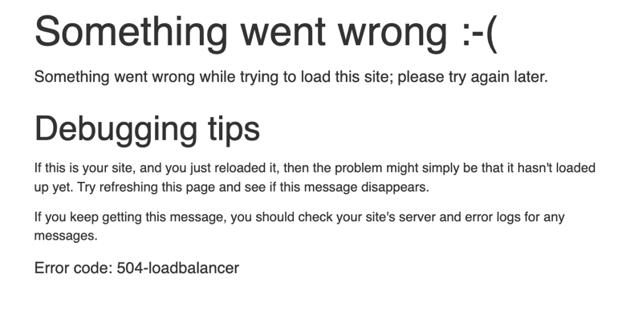
Bug tracking | Severity | Major
 | Priority | Medium
Category | Label | Value
Bug ID | ID number | #5
 | Project | Factorial calculation
 | Reporter | Nelia M
 | Submit Date | 2022-05-17
Bug overview | Summary | When you open the page of the factorial calculator at the bottom of the page, the year the site was founded is indicated twice
 | URL | http://qainterview.pythonanywhere.com
Bug details | Preconditions | Calculator page open
 | Steps to reproduce | Look down the page for the year
 | Expected result | Year of foundation of the site
 | Actual result | 2022-2022
 | Description
 | Attachments | 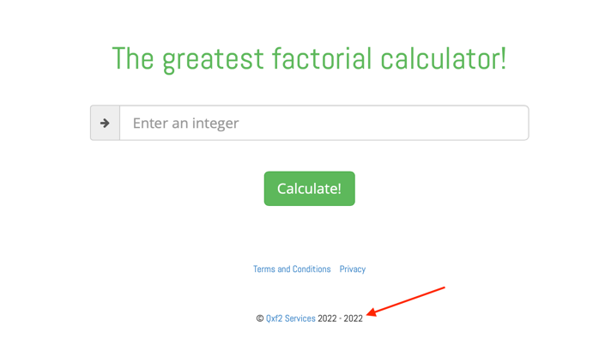
Bug tracking | Severity | Trivial
 | Priority | High
Category | Label | Value
Bug ID | ID number | #6
 | Project | Factorial calculation
 | Reporter | Nelia M
 | Submit Date | 2022-05-17
Bug overview | Summary | When an incorrect value is entered in the field for entering a number, an error message is displayed on the screen when clearing the field the error message remains
 | URL | http://qainterview.pythonanywhere.com
Bug details | Preconditions | Calculator page open
 | Steps to reproduce | 1. Enter a non-integer number in the input field; 2.Click on the calculate button; 3 Clear the field.
 | Expected result | Factorial calculation form will return to its original state
 | Actual result | The error message that appeared when entering a wrong number after clearing the input field didn't disappear
 | Description
Bug tracking | Severity | Critical
 | Priority | High
Category | Label | Value
Bug ID | ID number | #7
 | Project | Factorial calculation
 | Reporter | Nelia M
 | Submit Date | 2022-05-17
Bug overview | Summary | When you click on the Enter button on the keyboard, the form doesn't submit
 | URL | http://qainterview.pythonanywhere.com
Bug details | Preconditions | Calculator page open
 | Steps to reproduce | 1. Enter a number in the input field; 2. Click on the Enter button on the keyboard
 | Expected result | Get the factorial of the entered number
 | Actual result | The form doesn't submit
 | Description
Bug tracking | Severity | Major
 | Priority | Medium

